CAPGDS1000001180 Support
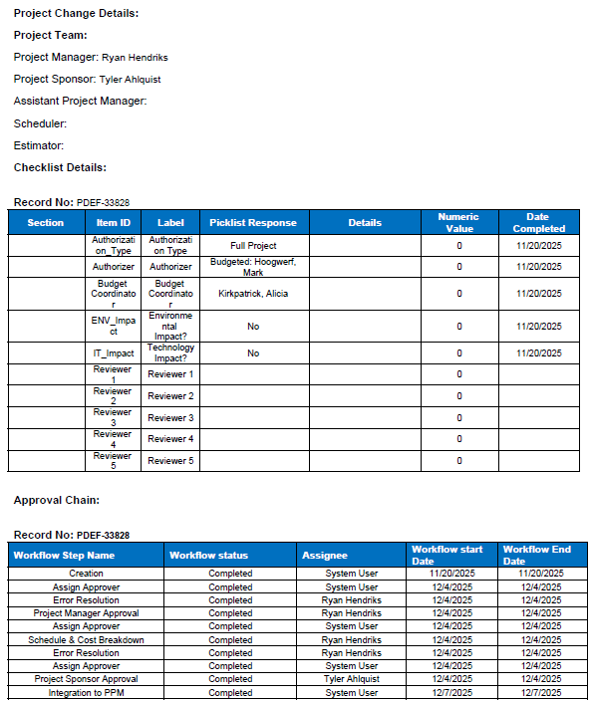
Pro-Forma Adjustment - Government Relocation

SFS - Gov Arrowhead Pkwy and Veterans Pkwy Gas Main

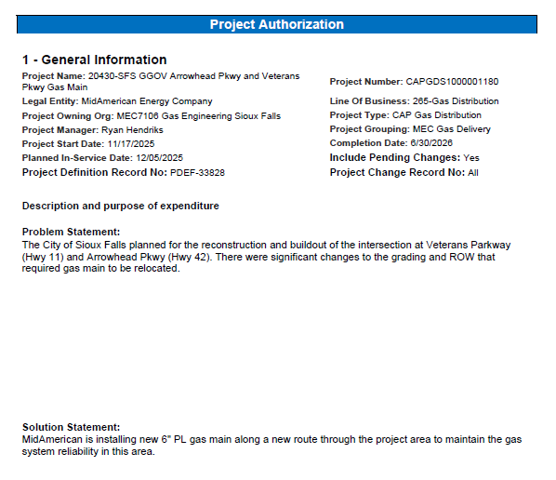

Pro-Forma Adjustment - Government Relocation

SFS - Gov Arrowhead Pkwy and Veterans Pkwy Gas Main
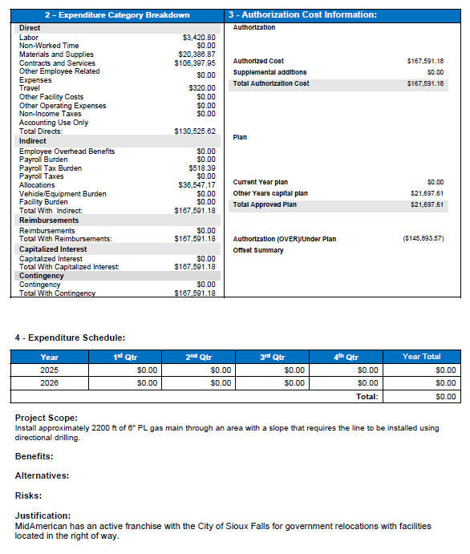

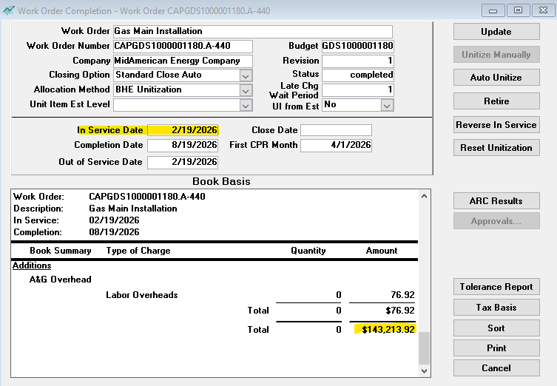

Pro-Forma Adjustment - Government Relocation

SFS - Gov Arrowhead Pkwy and Veterans Pkwy Gas Main

CAPGDS1000001207 Support
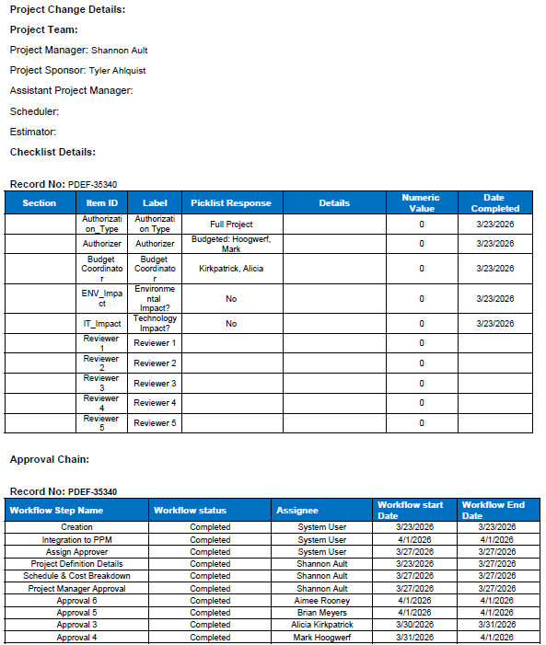
Pro-Forma Adjustment - Government Relocation

SFS - Gov Main Relocate Willow St

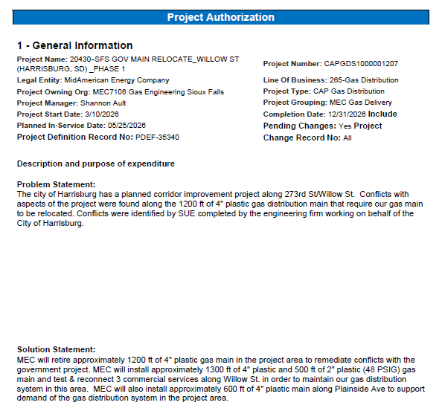

Pro-Forma Adjustment - Government Relocation

SFS - Gov Main Relocate Willow St

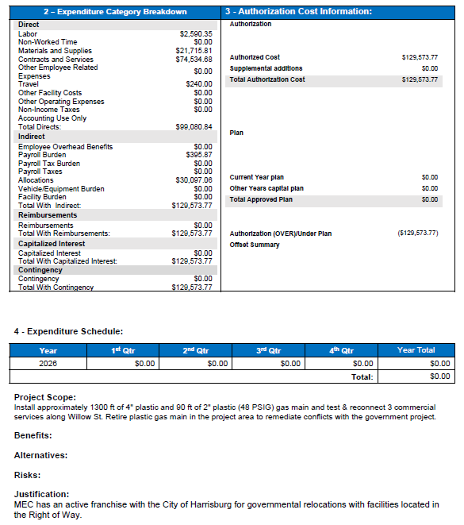

 | Total Capital Dollars | $127,580
 | O&M Dollars | $1,993
 | Total Authroized Amount (seen on AFE) | $129,573

Pro-Forma Adjustment - Government Relocation

SFS - Gov Main Relocate Willow St

CAPGDS1000001232 Support
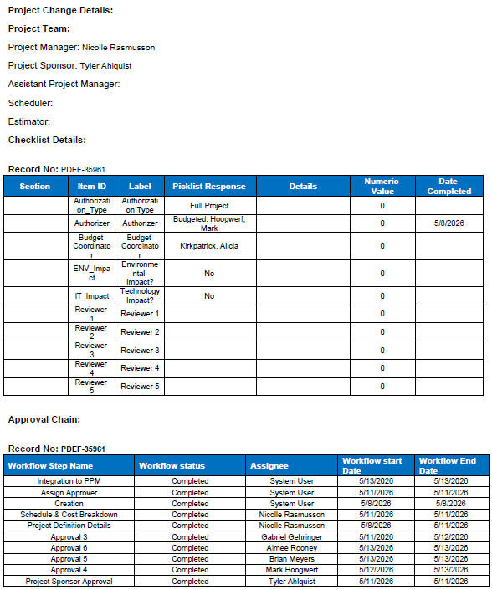
Pro-Forma Adjustment - Government Relocation

SFS: 42nd and 46th Sts

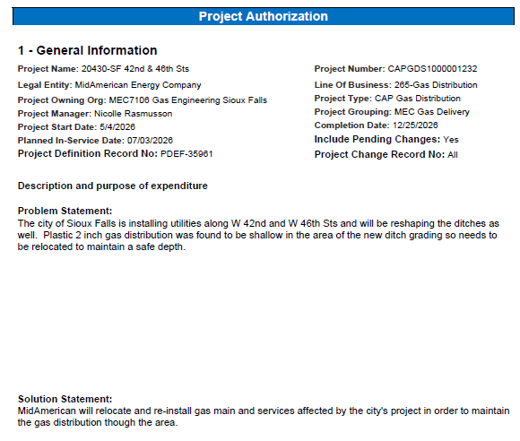

Pro-Forma Adjustment - Government Relocation

SFS: 42nd and 46th Sts

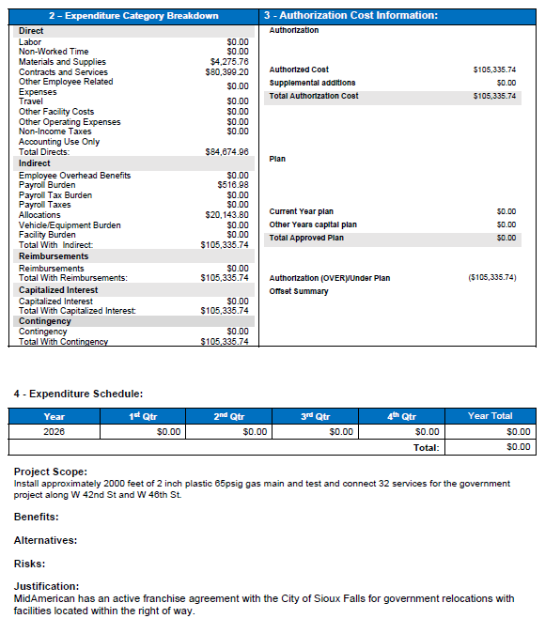

 | Total Capital Dollars | $85,641
 | O&M Dollars | $19,695
 | Total Authroized Amount (seen on AFE) | $105,336

Pro-Forma Adjustment - Government Relocation

SFS: 42nd and 46th Sts

CAPGDS1000001228 Support
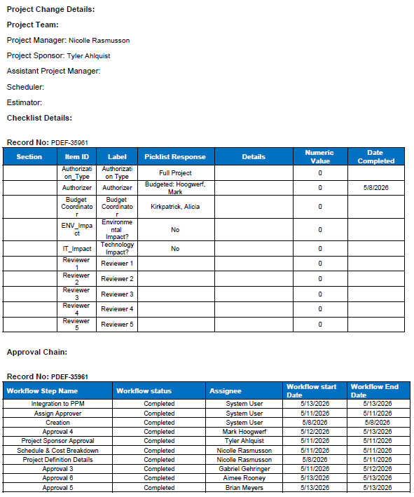
Pro-Forma Adjustment - System Reliability

SFS - Hwy 11 and Hwy 42 Gas Main

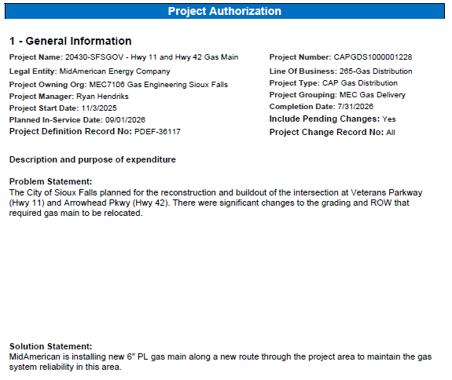

Pro-Forma Adjustment - System Reliability

SFS - Hwy 11 and Hwy 42 Gas Main

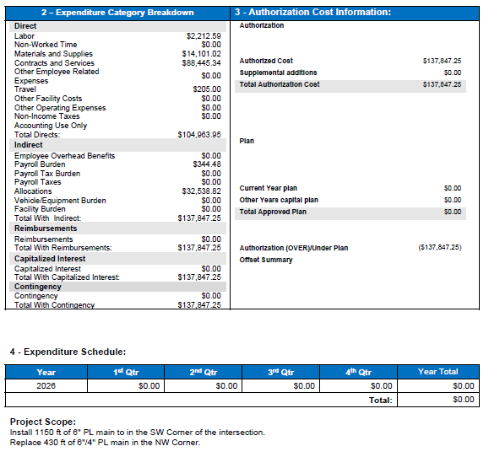

Pro-Forma Adjustment - System Reliability

SFS - Hwy 11 and Hwy 42 Gas Main

CAPGDS1000001237 Support
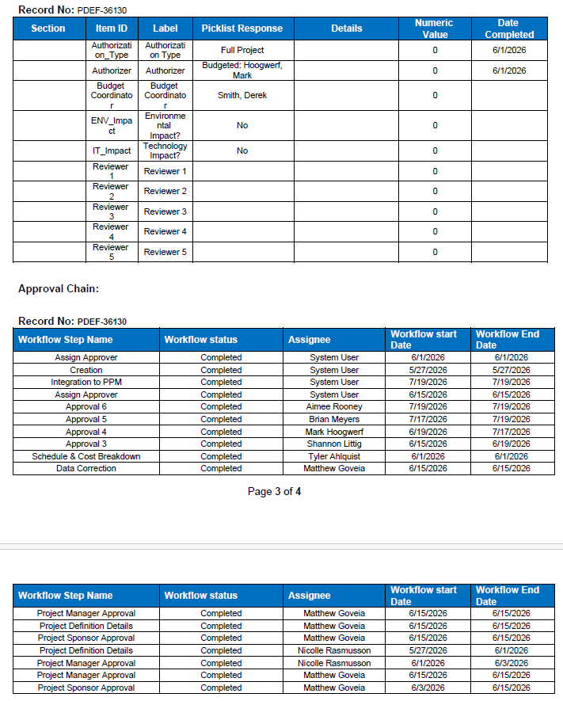
Pro-Forma Adjustment - Government Relocation

SFS - Hwy 50 Yankton

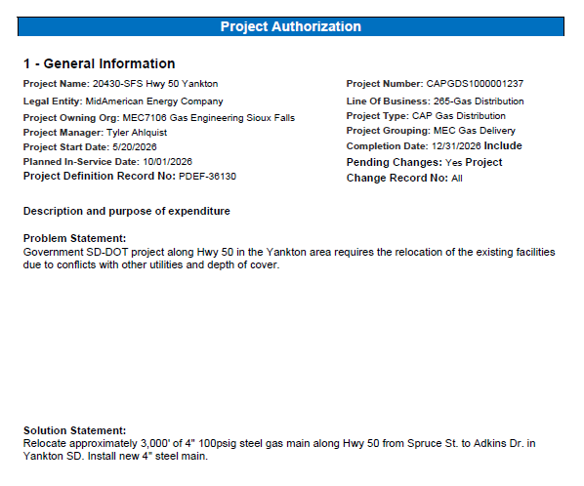

Pro-Forma Adjustment - Government Relocation

SFS - Hwy 50 Yankton

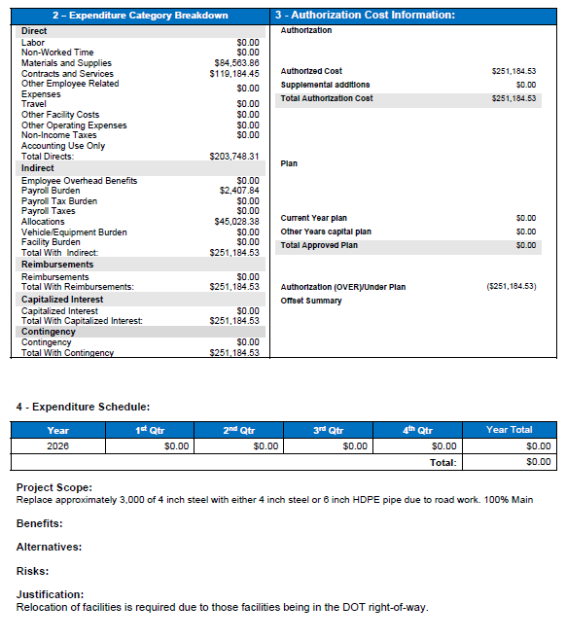

Pro-Forma Adjustment - Government Relocation

SFS - Hwy 50 Yankton

