CAPGDS1000001206 Support
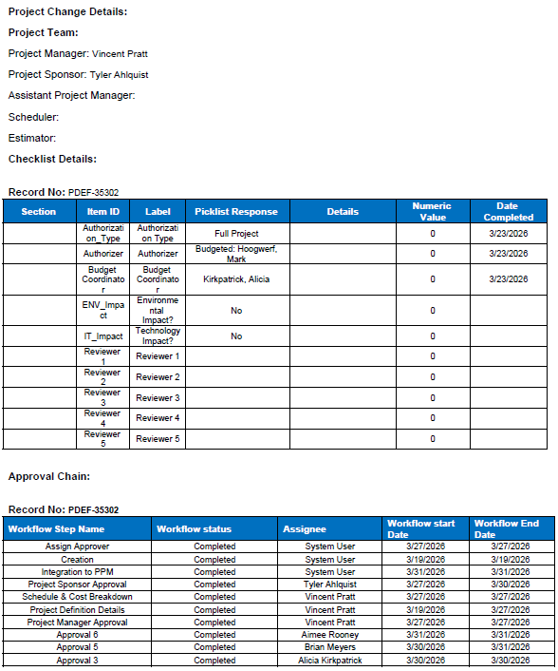
Pro-Forma Adjustment - Integrity Management
SFS - DIMP Bundle 38999 S Bahnson Ave

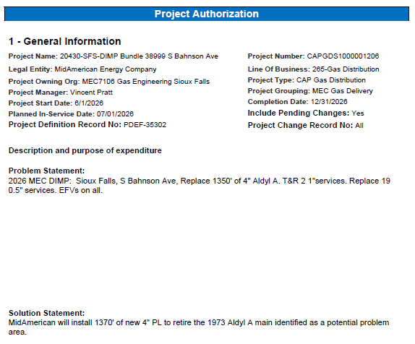

Pro-Forma Adjustment - Integrity Management
SFS - DIMP Bundle 38999 S Bahnson Ave

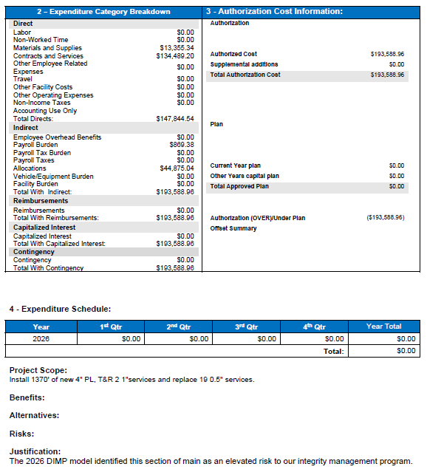

 | Total Capital Dollars | $190,502
 | O&M Dollars | $3,086
 | Total Authroized Amount (seen on AFE) | $193,588

Pro-Forma Adjustment - Integrity Management
SFS - DIMP Bundle 38999 S Bahnson Ave

CAPGDS1000001245 Support
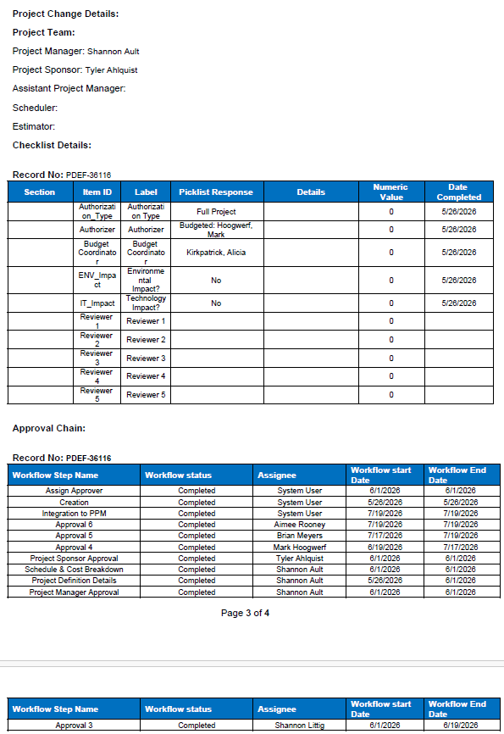
Pro-Forma Adjustment - Integrity Management
SFS - Bragstad Dr Rebuild from DIMP Model 2026

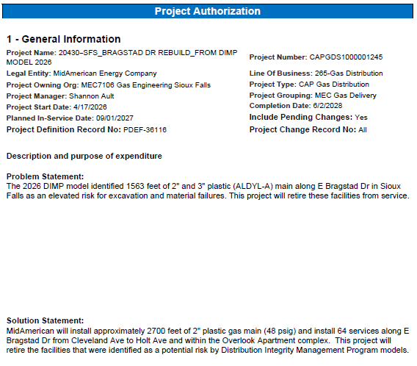

Pro-Forma Adjustment - Integrity Management
SFS - Bragstad Dr Rebuild from DIMP Model 2026

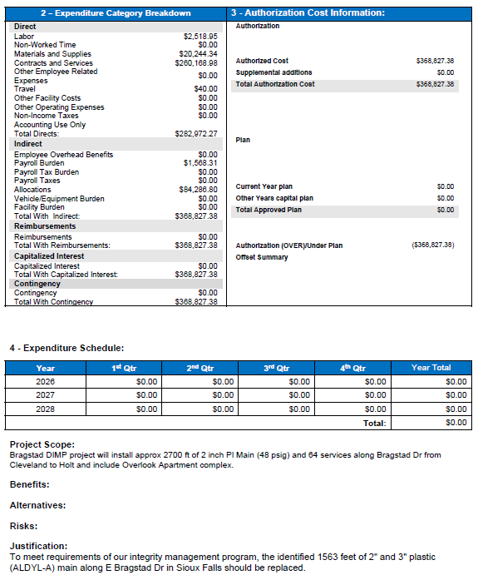

 | Total Capital Dollars | $357,748
 | O&M Dollars | $11,079
 | Total Authroized Amount (seen on AFE) | $368,827

Pro-Forma Adjustment - Integrity Management
SFS - Bragstad Dr Rebuild from DIMP Model 2026

CAPGDS1000001238 Support
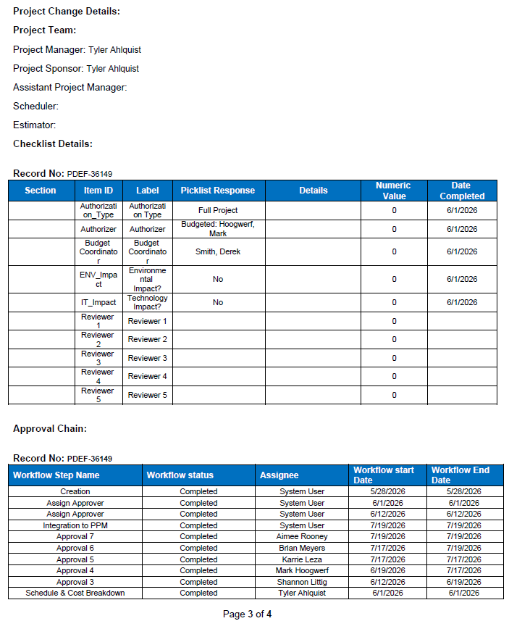
Pro-Forma Adjustment - Integrity Management
SFS - 12 in Stl DRS 100 to Egger Stl

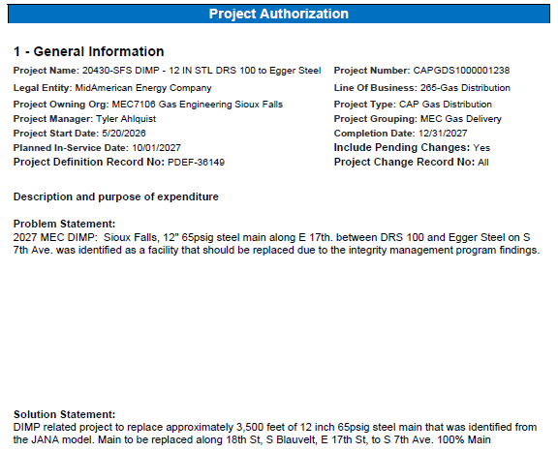

Pro-Forma Adjustment - Integrity Management
SFS - 12 in Stl DRS 100 to Egger Stl
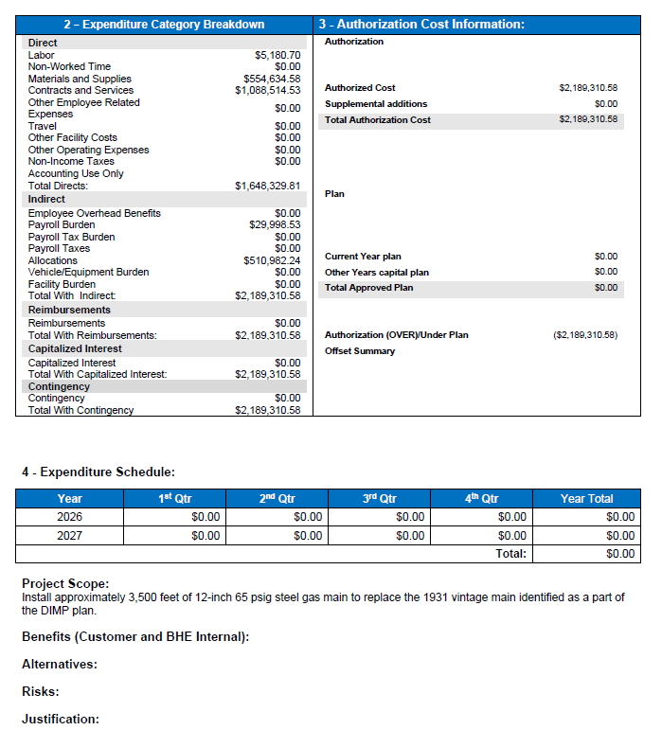

Pro-Forma Adjustment - Integrity Management
SFS - 12 in Stl DRS 100 to Egger Stl

