CAPGDS1000001240 Support
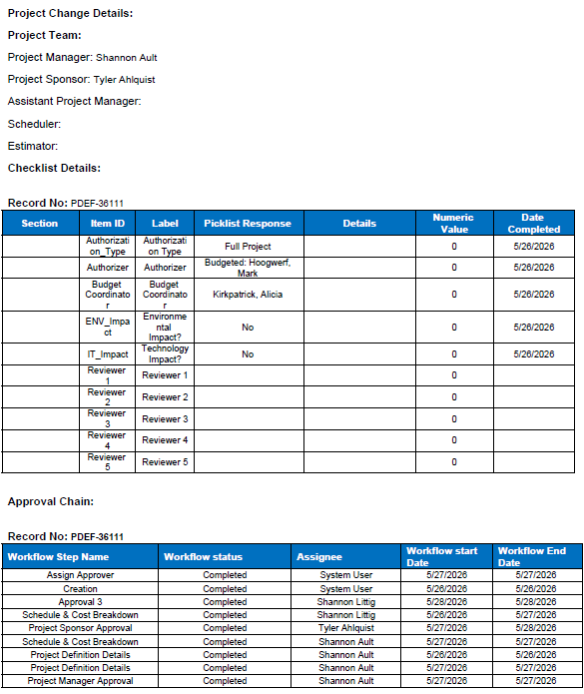
Pro-Forma Adjustment - System Reliability

Harrisburg Main Ext W Willow from Hwy 115

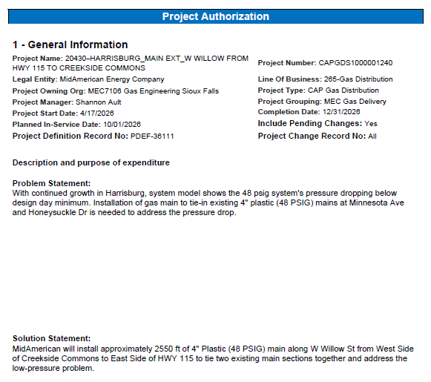

Pro-Forma Adjustment - System Reliability

Harrisburg Main Ext W Willow from Hwy 115

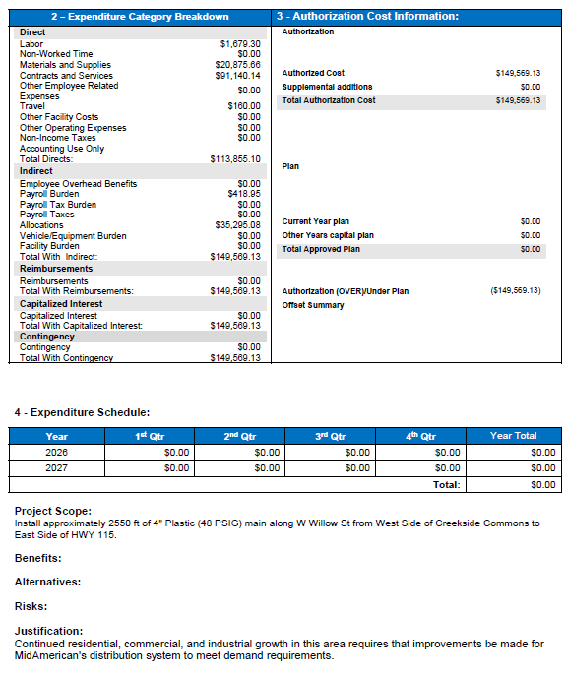

Pro-Forma Adjustment - System Reliability

Harrisburg Main Ext W Willow from Hwy 115

CAPGDS1000001236 Support
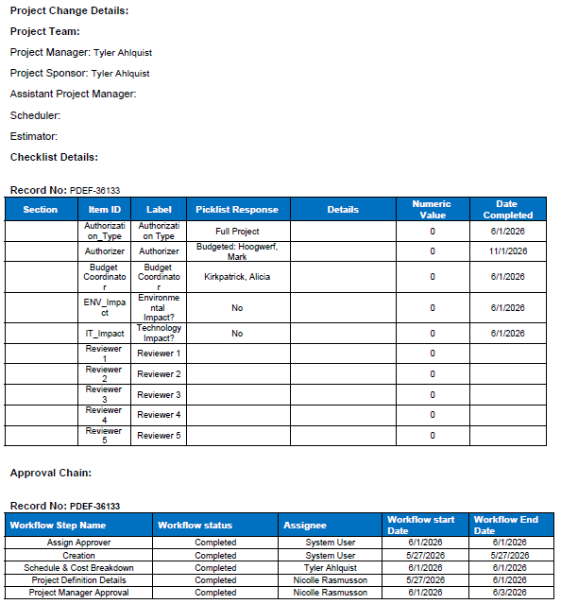
Pro-Forma Adjustment - System Reliability

Brandon-Holly (Rice) St 210 psig Serve Load

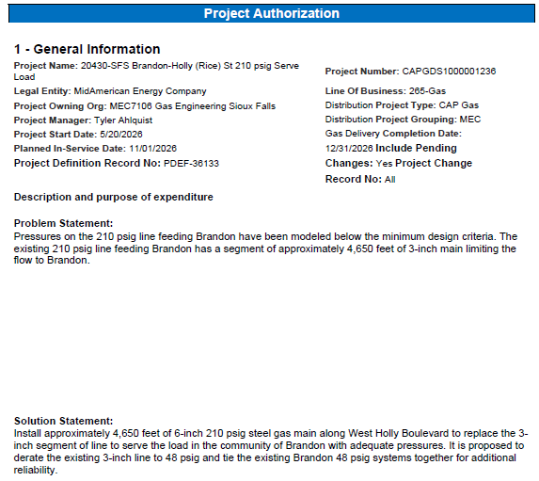

Pro-Forma Adjustment - System Reliability

Brandon-Holly (Rice) St 210 psig Serve Load

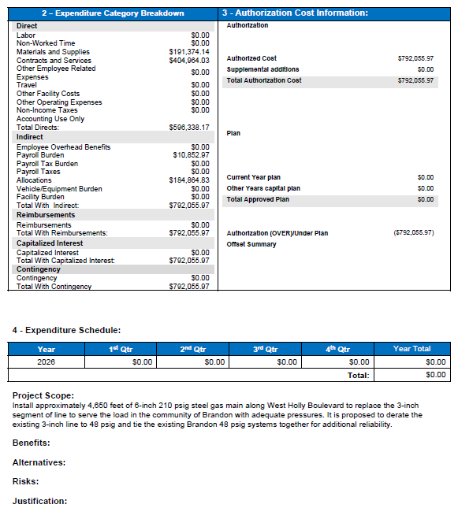

Pro-Forma Adjustment - System Reliability

Brandon-Holly (Rice) St 210 psig Serve Load

CAPGDS1000001150 Support
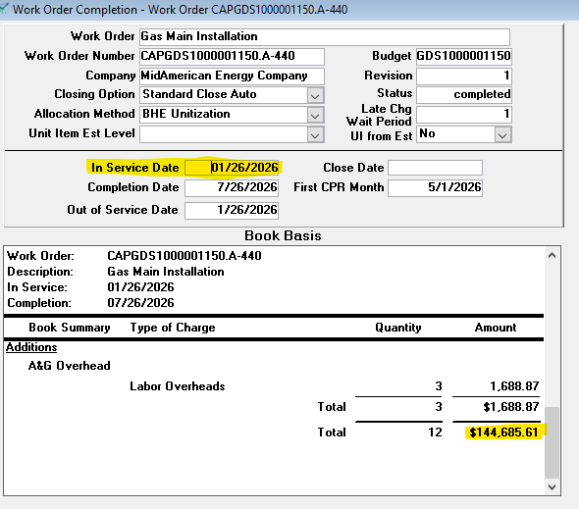
Pro-Forma Adjustment - System Reliability

SFS-Hartford Serve Load

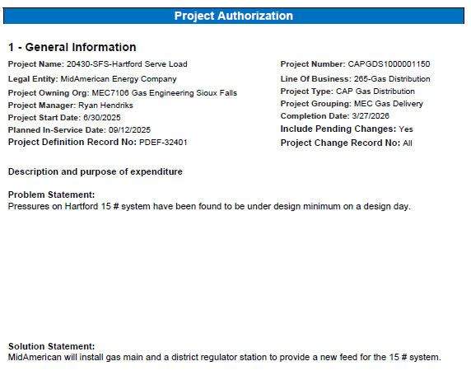

Pro-Forma Adjustment - System Reliability

SFS-Hartford Serve Load

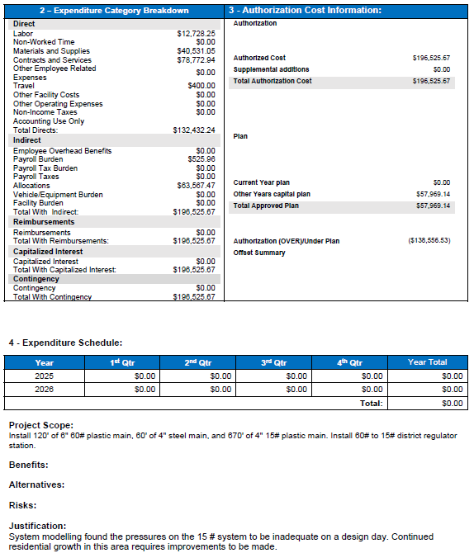

Pro-Forma Adjustment - System Reliability

SFS-Hartford Serve Load

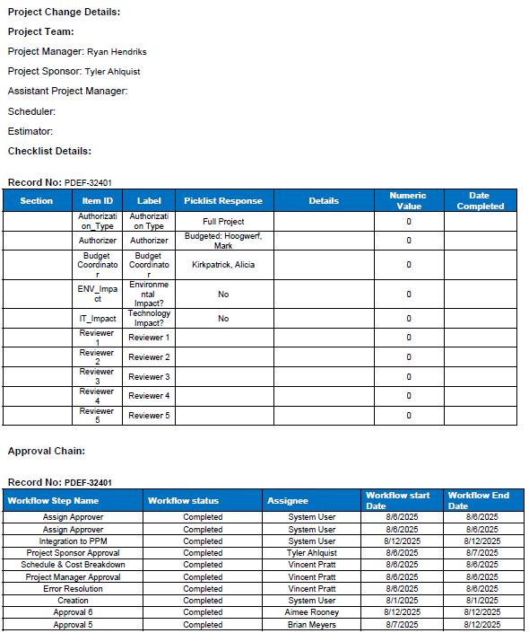

Pro-Forma Adjustment - System Reliability

SFS-Hartford Serve Load

CAPGDS1000001243 Support
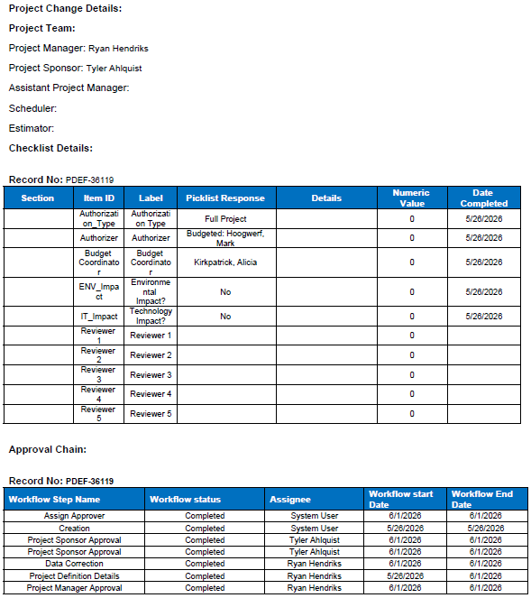
Pro-Forma Adjustment - System Reliability

SFS - E Benson Rd & N Serin Ave - 65# System Tie

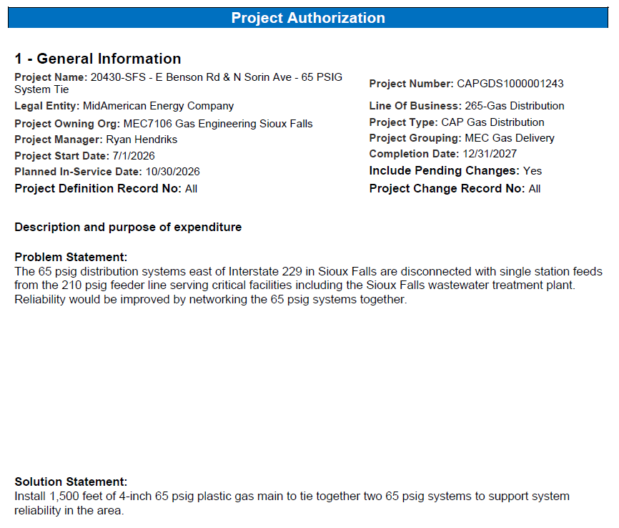

Pro-Forma Adjustment - System Reliability

SFS - E Benson Rd & N Serin Ave - 65# System Tie

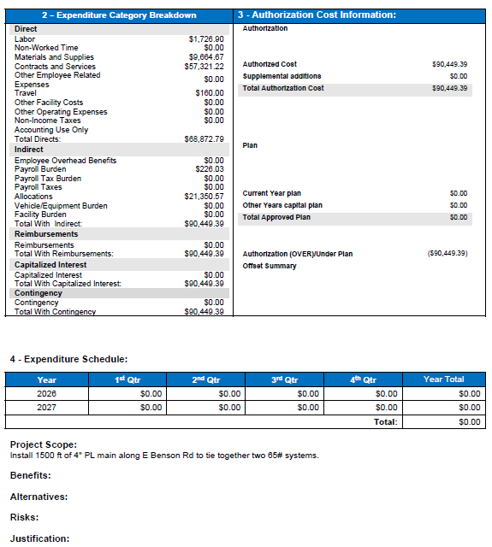

Pro-Forma Adjustment - System Reliability

SFS - E Benson Rd & N Serin Ave - 65# System Tie

CAPGDS1000001239 Support
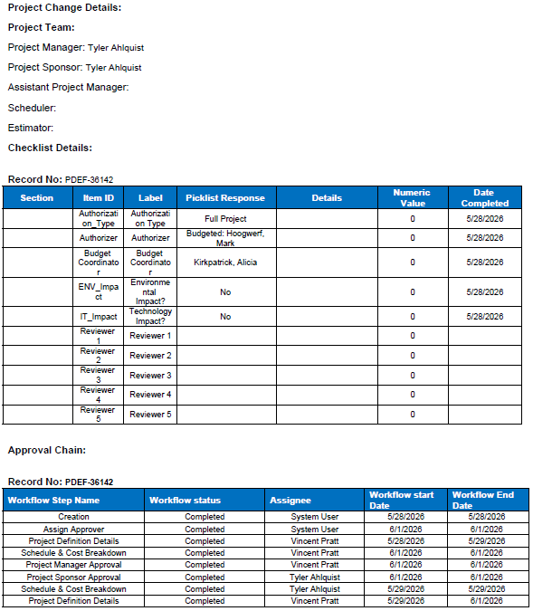
Pro-Forma Adjustment - System Reliability

Hartford Western Ave Tie

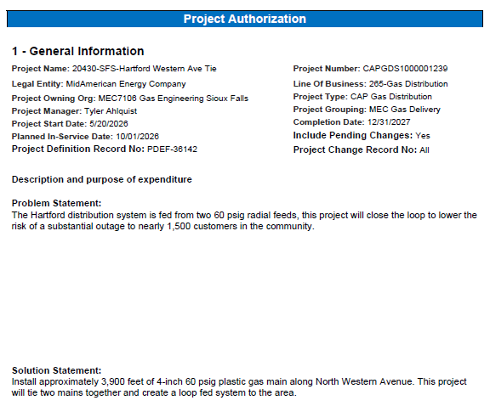

Pro-Forma Adjustment - System Reliability

Hartford Western Ave Tie

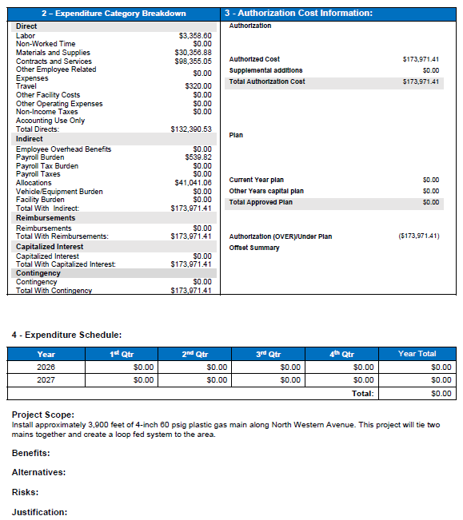

Pro-Forma Adjustment - System Reliability

Hartford Western Ave Tie

CAPGDS1000001184 Support
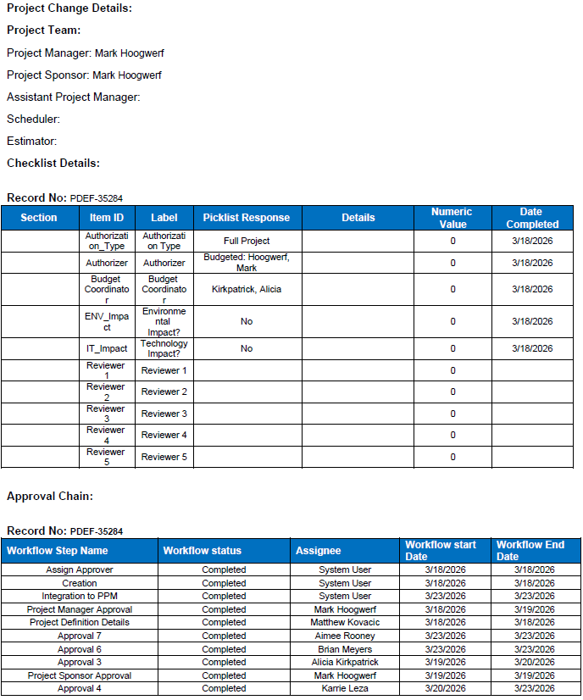
Pro-Forma Adjustment - System Reliability

2026 ERT Replacements

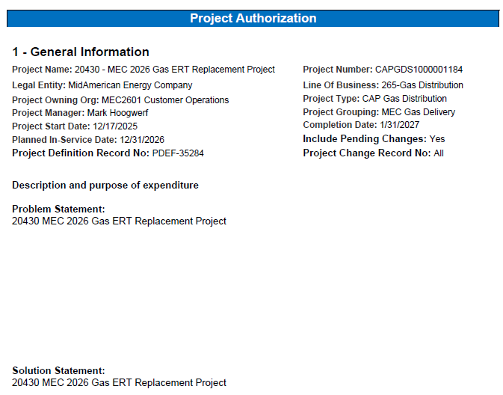

Pro-Forma Adjustment - System Reliability

2026 ERT Replacements

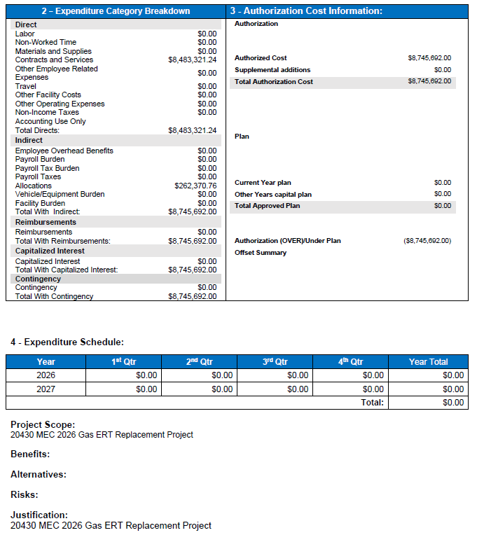

Pro-Forma Adjustment - System Reliability

2026 ERT Replacements

CAPGDS1000001253 Support
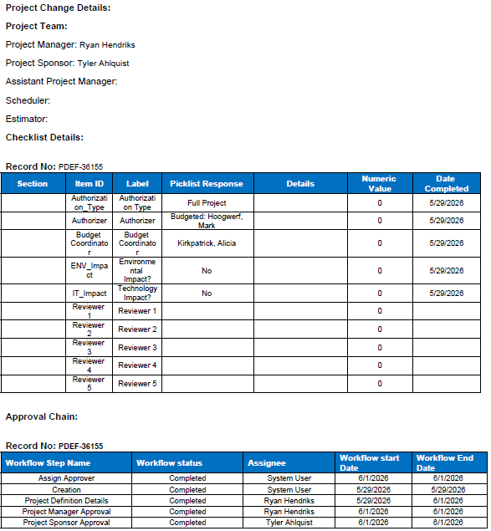
Pro-Forma Adjustment - System Reliability

SFS - 85th ST I-29 Crossing

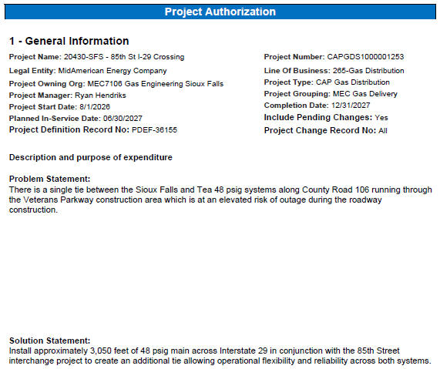

Pro-Forma Adjustment - System Reliability

SFS - 85th ST I-29 Crossing

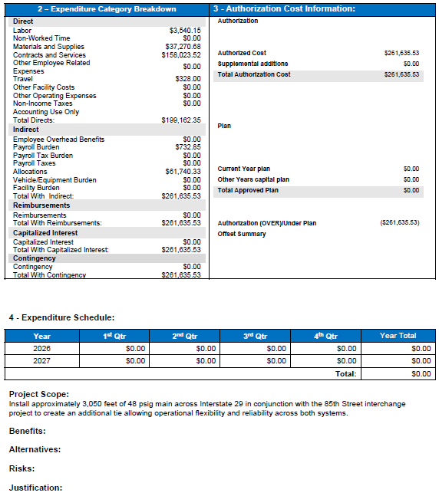

Pro-Forma Adjustment - System Reliability

SFS - 85th ST I-29 Crossing

CAPGDS1000001244 Support
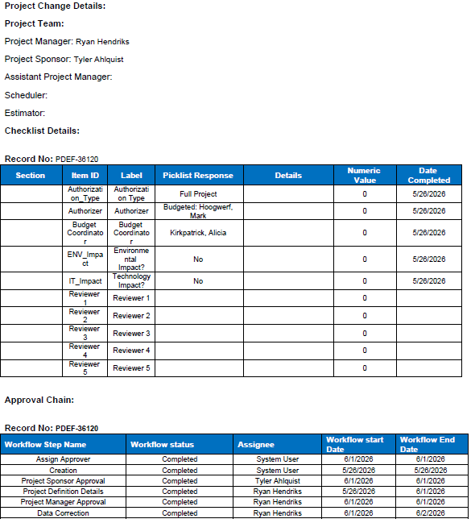
Pro-Forma Adjustment - System Reliability

SFS - 69th St & S Veterans Pkwy - 8"STL Main

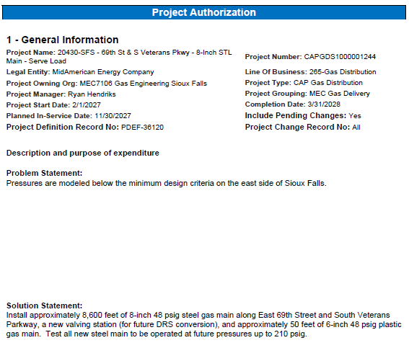

Pro-Forma Adjustment - System Reliability

SFS - 69th St & S Veterans Pkwy - 8"STL Main

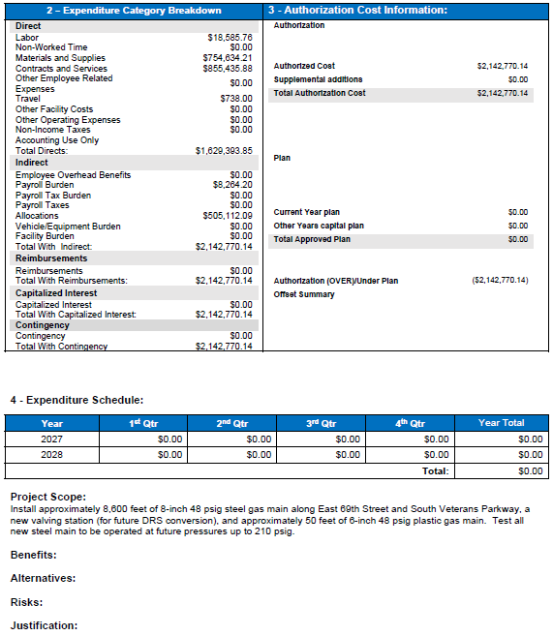

Pro-Forma Adjustment - System Reliability

SFS - 69th St & S Veterans Pkwy - 8"STL Main

