CAPGDS1000000935 Support
Pro Forma Adjustment - Project In Service During Test Year
Gas ERT Replacement (2025)

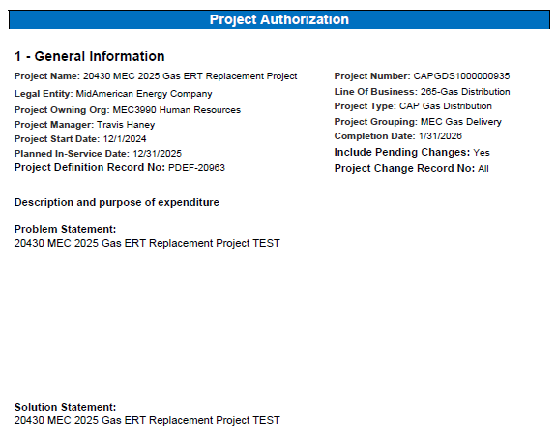

Pro Forma Adjustment - Project In Service During Test Year
Gas ERT Replacement (2025)

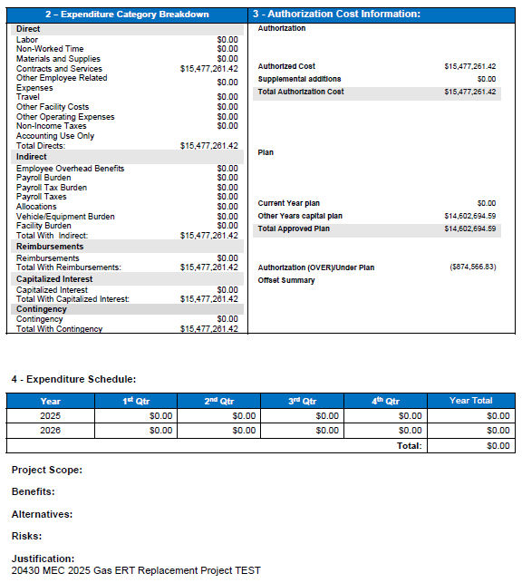

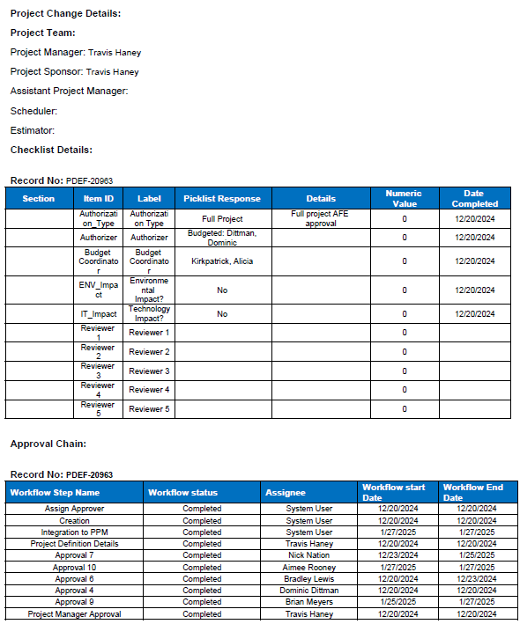

Pro Forma Adjustment - Project In Service During Test Year
Gas ERT Replacement (2025)

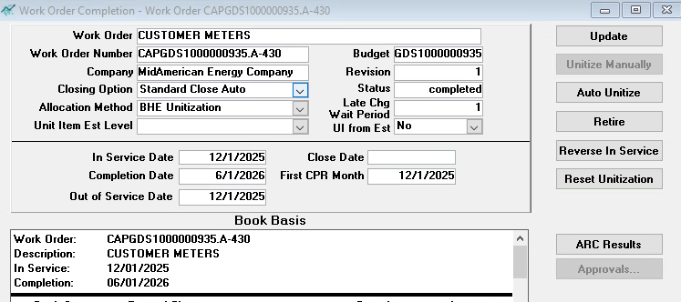

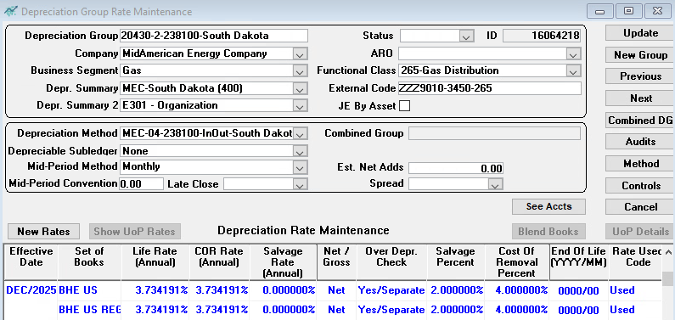

Pro Forma Adjustment - Project In Service During Test Year
Gas ERT Replacement (2025)

Line
No. | Month/Year | Amount
 | (a) | (b)

1 | Jan-25 | 0.00
2 | Feb-25 | 0.00
3 | Mar-25 | 0.00
4 | Apr-25 | 0.00
5 | May-25 | 0.00
6 | Jun-25 | 0.00
7 | Jul-25 | 0.00
8 | Aug-25 | 0.00
9 | Sep-25 | 0.00
10 | Oct-25 | 0.00
11 | Nov-25 | 0.00
12 | Dec-25 | 15,332,417.01
13
14 | Total | 15,332,417.01
15
16 |  | To Exhibit ASR 1.1, WP B
17 |  | Page 4, Column (b)

CAPGDS1000000166 Support
Pro Forma Adjustment - Project In Service During Test Year
SFS - 6 Mile Serve Load

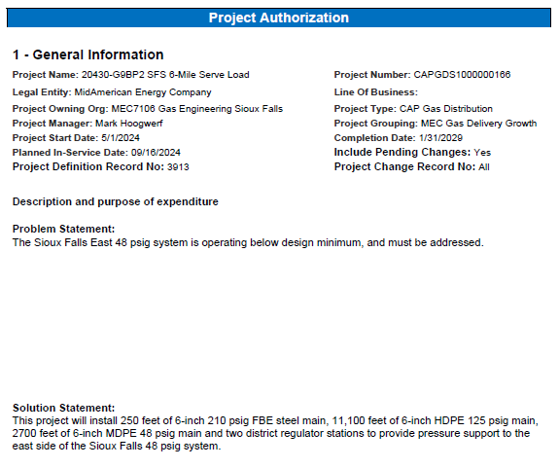

Pro Forma Adjustment - Project In Service During Test Year
SFS - 6 Mile Serve Load

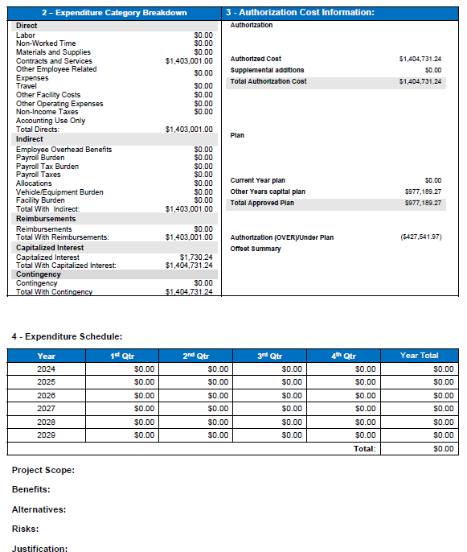

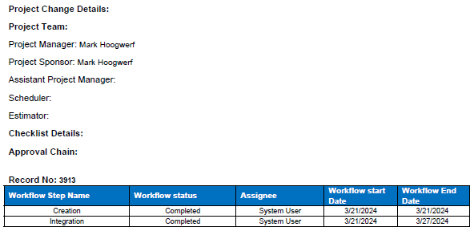

Pro Forma Adjustment - Project In Service During Test Year
SFS - 6 Mile Serve Load

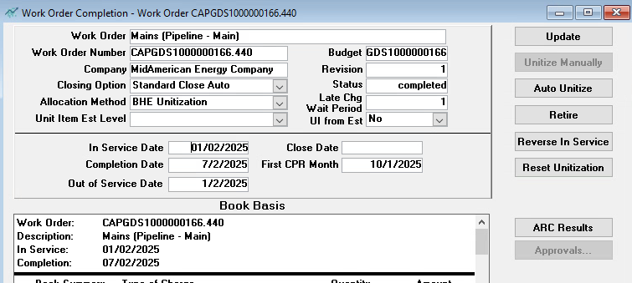

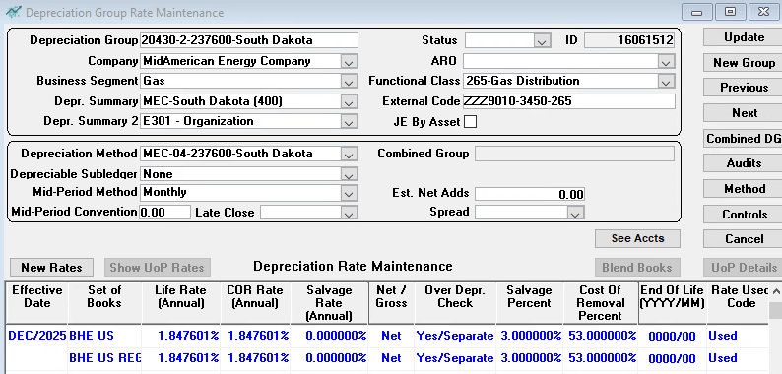

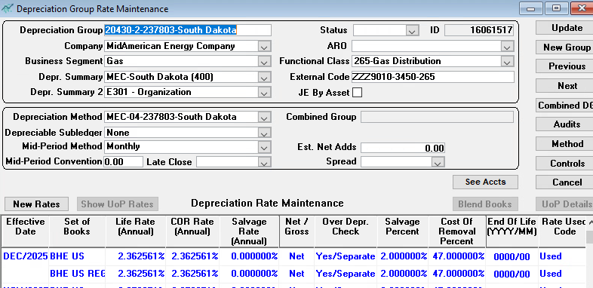

Pro Forma Adjustment - Project In Service During Test Year
SFS - 6 Mile Serve Load

Line
No. | Month/Year | Amount
 | (a) | (b)

1 | Jan-25 | 0.00
2 | Feb-25 | 0.00
3 | Mar-25 | 0.00
4 | Apr-25 | 0.00
5 | May-25 | 0.00
6 | Jun-25 | 0.00
7 | Jul-25 | 0.00
8 | Aug-25 | 0.00
9 | Sep-25 | 0.00
10 | Oct-25 | 978,422.96
11 | Nov-25 | 0.00
12 | Dec-25 | (327.40)
13
14 | Total | 978,095.56
15
16 |  | To Exhibit ASR 1.1, WP B
17 |  | Page 13, Column (b)

CAPGDS1000000782 Support
Pro Forma Adjustment - Project In Service During Test Year
SFS - Cliff I229 Interchange

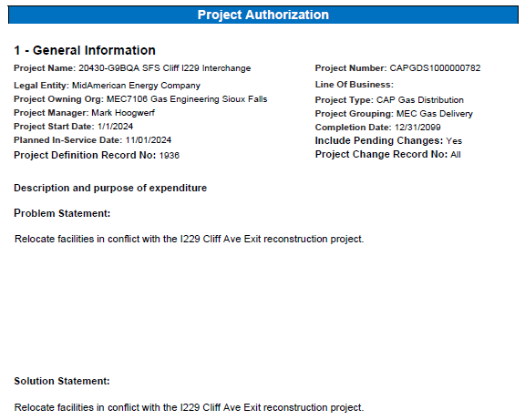

Pro Forma Adjustment - Project In Service During Test Year
SFS - Cliff I229 Interchange

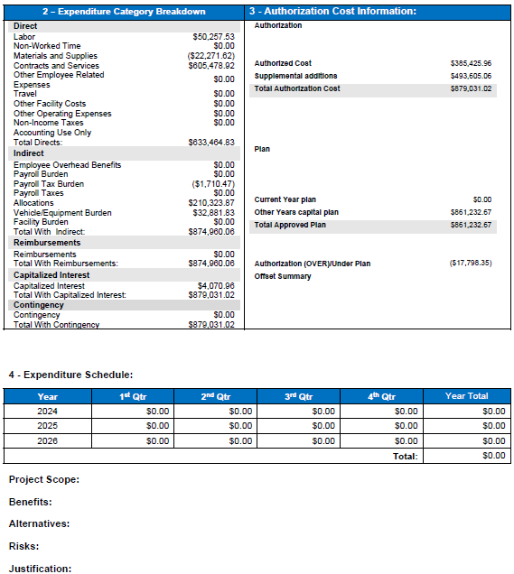

Pro Forma Adjustment - Project In Service During Test Year
SFS - Cliff I229 Interchange

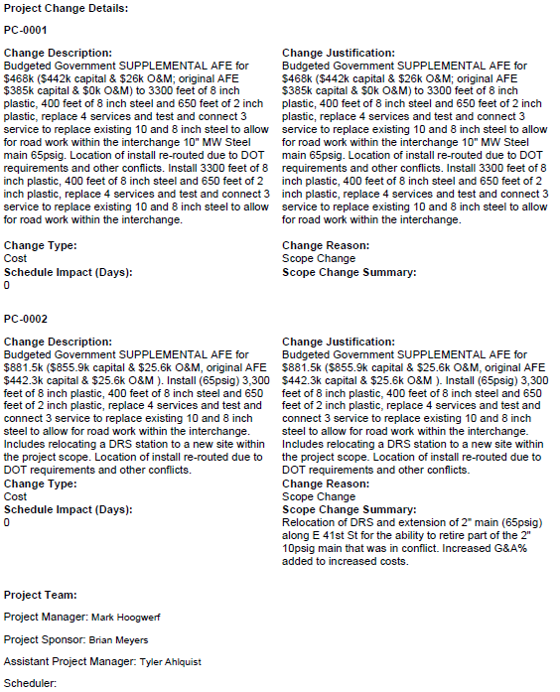

Pro Forma Adjustment - Project In Service During Test Year
SFS - Cliff I229 Interchange
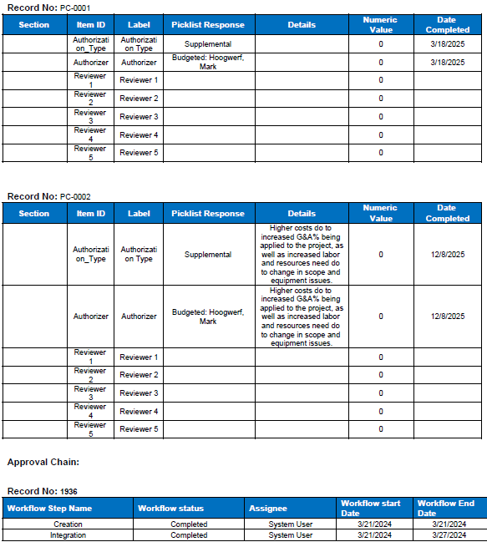

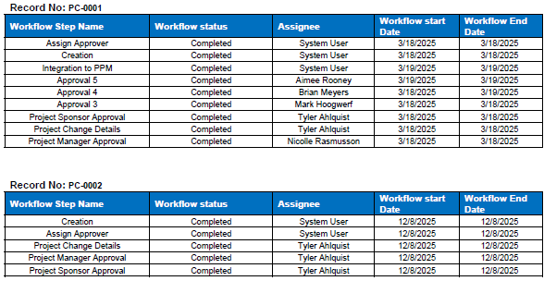

Pro Forma Adjustment - Project In Service During Test Year
SFS - Cliff I229 Interchange

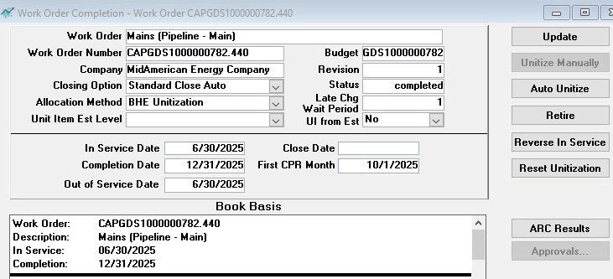

Pro Forma Adjustment - Project In Service During Test Year
SFS - Cliff I229 Interchange

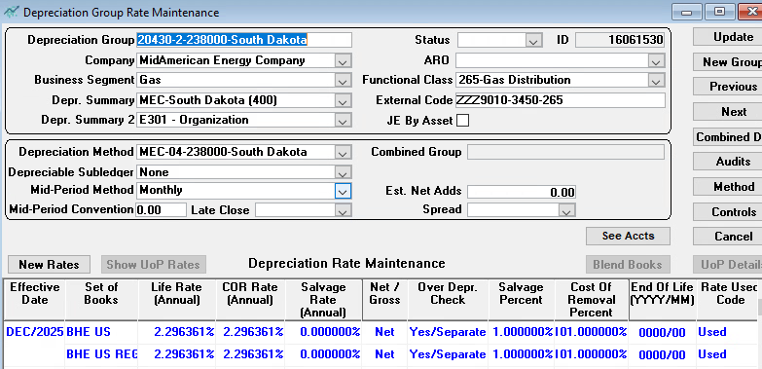

Pro Forma Adjustment - Project In Service During Test Year
SFS - Cliff I229 Interchange

Line
No. | Month/Year | Amount
 | (a) | (b)

1 | Jan-25 | 0.00
2 | Feb-25 | 0.00
3 | Mar-25 | 0.00
4 | Apr-25 | 0.00
5 | May-25 | 0.00
6 | Jun-25 | 0.00
7 | Jul-25 | 0.00
8 | Aug-25 | 0.00
9 | Sep-25 | 0.00
10 | Oct-25 | 736,595.01
11 | Nov-25 | 0.00
12 | Dec-25 | (78,311.30)
13
14 | Total | 658,283.71
15
16 |  | To Exhibit ASR 1.1, WP B
17 |  | Page 26, Column (b)

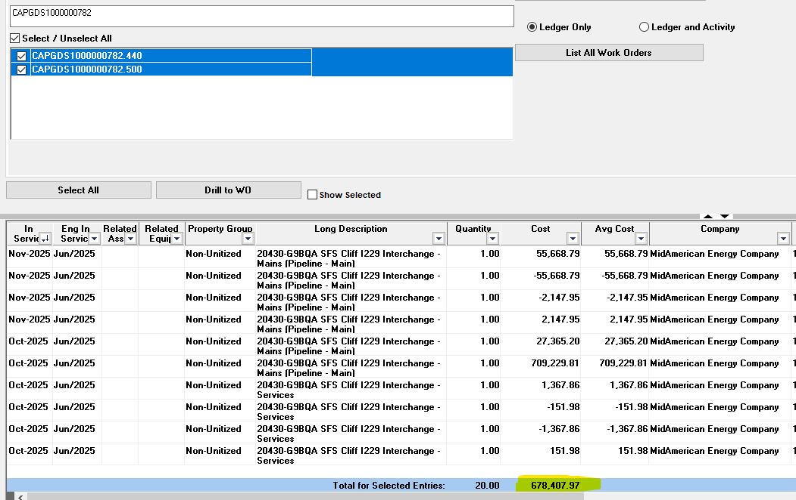

 |  |  | To Exhibit ASR 1.1, WP B
 |  |  | Page 26, Column (b)

CAPCIT1000000678 Support
Pro Forma Adjustment - Project In Service During Test Year
Gas System Safety: Target Zero

 |  | Project: CAPGDS1000000678

 |  | Project Account Distribution |  |  | 2.303.00 | Software | 100%
 |  |  |  |  |  | 5 year book life

 |  | 2025 Meter Allocation
 |  |  |  | 2025 Meters | Elec | Gas | Elec Split | Gas Split
 |  | Iowa | Elec | 766,959 | 766,959 |  | 88.95%
 |  | Iowa | Gas | 582,877 |  | 582,877 |  | 77.41%
 |  | Illinois | Elec | 89,732 | 89,732 |  | 10.41%
 |  | Illinois | Gas | 61,605 |  | 61,605 |  | 8.18%
 |  | South Dakota | Elec | 5,502 | 5,502 |  | 0.64%
 |  | South Dakota | Gas | 104,568 |  | 104,568 |  | 13.89%
 |  | Nebraska | Gas | 3,943 |  | 3,943 |  | 0.52%
 |  |  |  | 1,615,186 | 862,193 | 752,993
 |  |  |  |  |  |  | 100.00% | 100.00%
 |  |  | Utility Split |  | 53.38% | 46.62% |  | 100.00%

Pro Forma Adjustment - Project In Service During Test Year
Gas System Safety: Target Zero

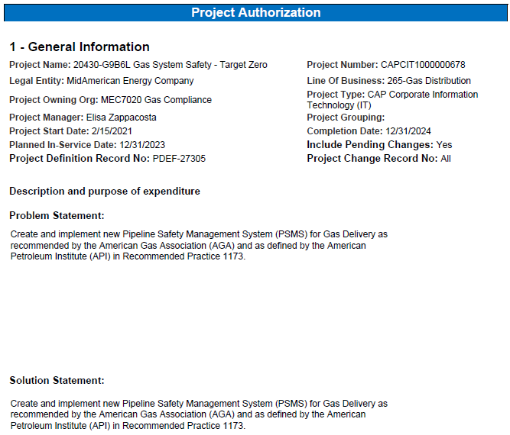

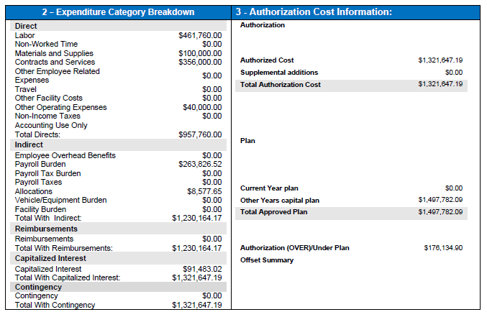

Pro Forma Adjustment - Project In Service During Test Year
Gas System Safety: Target Zero

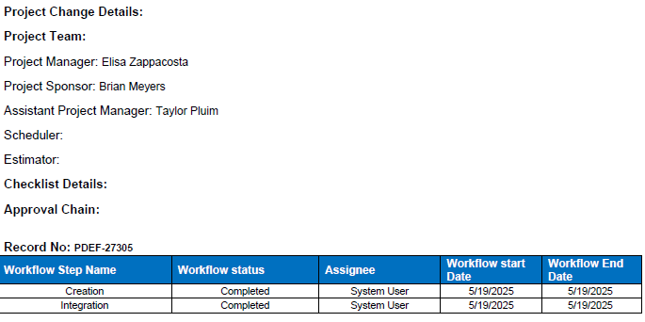

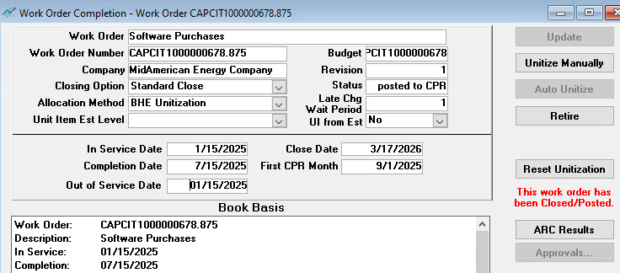

Pro Forma Adjustment - Project In Service During Test Year
Gas System Safety: Target Zero

Line
No. | Month/Year |  | Amount
 | (a) |  | (b)

1 | Jan-25 |  | 0.00
2 | Feb-25 |  | 0.00
3 | Mar-25 |  | 0.00
4 | Apr-25 |  | 0.00
5 | May-25 |  | 0.00
6 | Jun-25 |  | 0.00
7 | Jul-25 |  | 0.00
8 | Aug-25 |  | 0.00
9 | Sep-25 |  | 1,452,599.69
10 | Oct-25 |  | 0.00
11 | Nov-25 |  | 0.00
12 | Dec-25 |  | 0.00
13
14 | Total |  | 1,452,599.69
15
16 |  |  | To Exhibit ASR 1.1, WP B
17 |  |  | Page 43, Column (b)

