G9BDD Support
Pro-Forma Adjustment - Integrity Management
SFS: Canton Southeast Rebuild

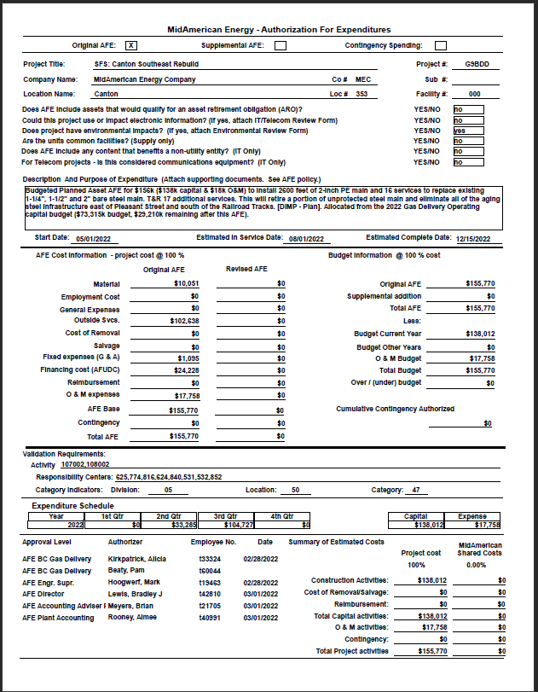

Pro-Forma Adjustment - Integrity Management
SFS: Canton Southeast Rebuild

G9AYR Support
Pro-Forma Adjustment - Integrity Management
SFS: Philips Ave Reconstruction

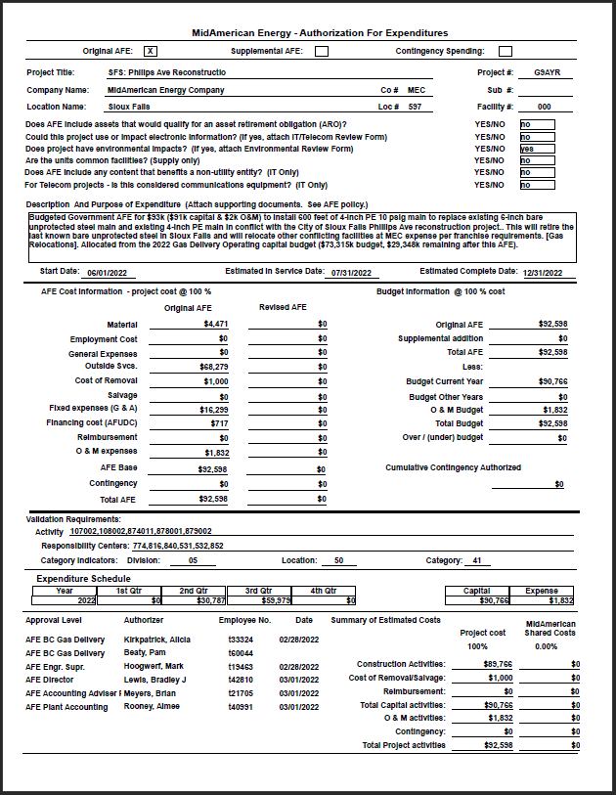

Pro-Forma Adjustment - Integrity Management
SFS: Philips Ave Reconstruction

G9BCU Support
Pro-Forma Adjustment - Integrity Management
YAN: DRS 026 Rebuild

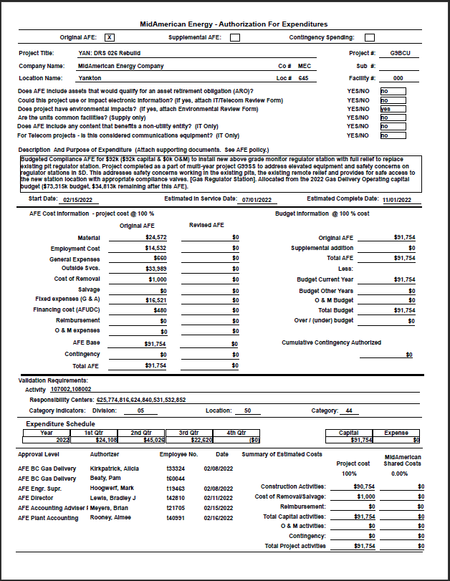

Pro-Forma Adjustment - Integrity Management
YAN: DRS 026 Rebuild

G9BDE Support
Pro-Forma Adjustment - System Reliability
SFS: West Sioux Rebuild Y1

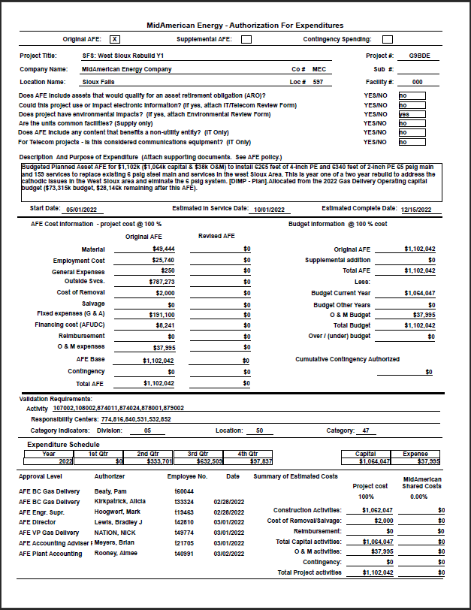

Pro-Forma Adjustment - System Reliability
SFS: West Sioux Rebuild Y1

G9BDS Support
Pro-Forma Adjustment - Integrity Management
SD 2023 Reg Station Rebuilds

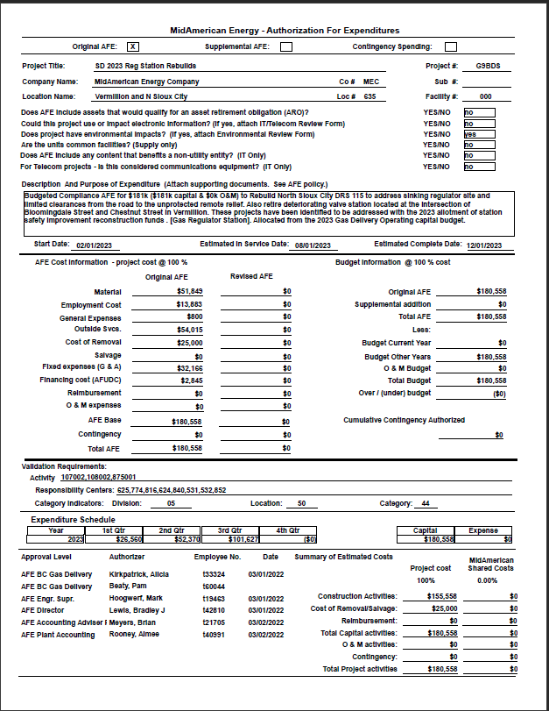

Pro-Forma Adjustment - Integrity Management
SD 2023 Reg Station Rebuilds

G9BDF Support
Pro-Forma Adjustment - System Reliability
SFS: West Sioux Rebuild Y2

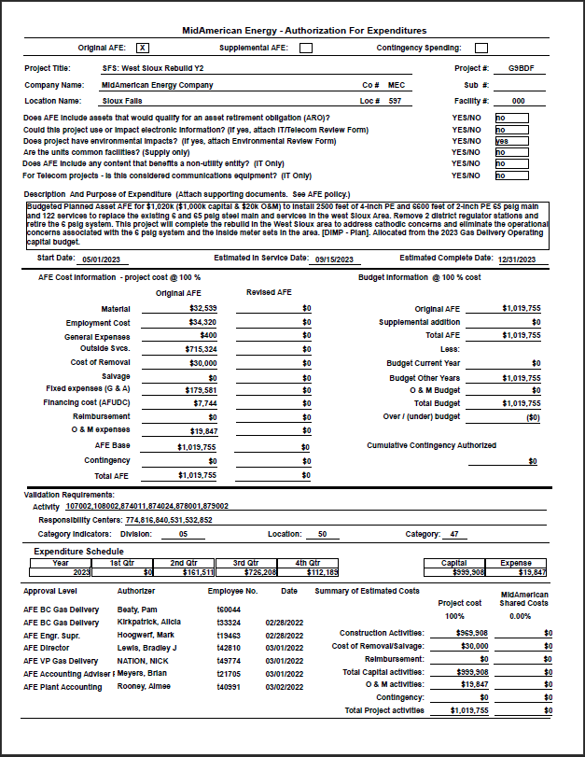

Pro-Forma Adjustment - System Reliability
SFS: West Sioux Rebuild Y2

