G9B1Y Support
Pro Forma Adjustment - Project In Service During Test Year
6 Backhoe Replacement and Trailers

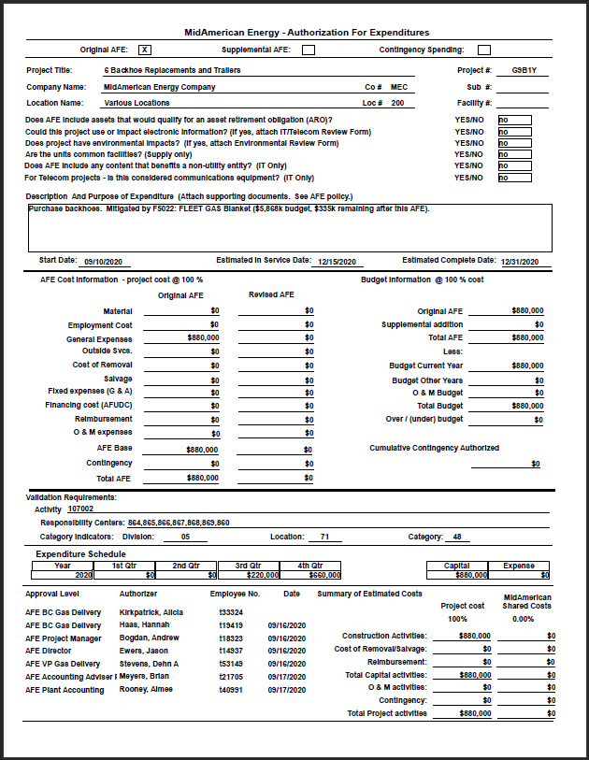

0
0

0
Pro Forma Adjustment - Project In Service During Test Year
6 Backhoe Replacement and Trailers

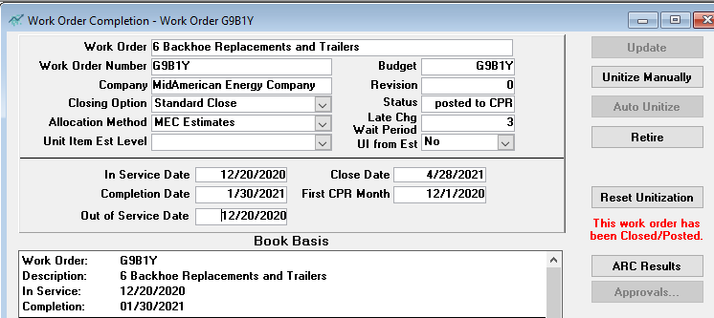

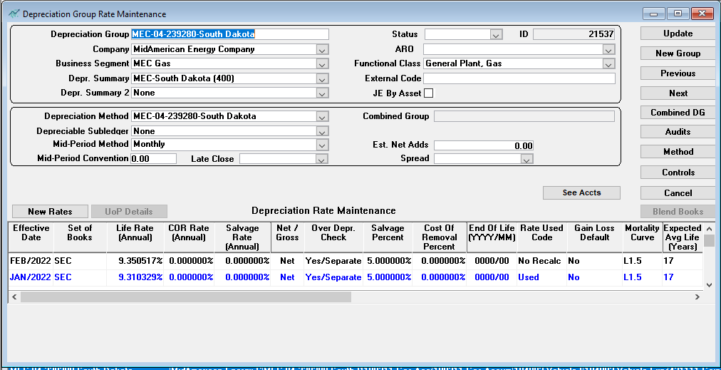

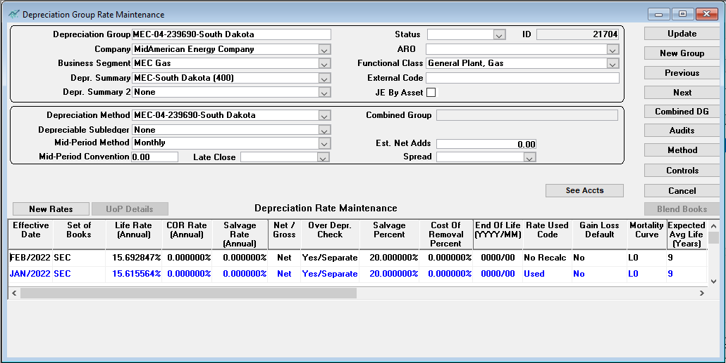

Pro Forma Adjustment - Project In Service During Test Year
6 Backhoe Replacement and Trailers

Line
No. | Month/Year | Amount
 | (a) | (b)

1 | Apr-21 | 251,867.05
2 | May-21 | 4,077.68
3 | Jun-21 | 56.82
4 | Jul-21 | 0.00
5 | Aug-21 | 0.00
6 | Sep-21 | 0.00
7 | Oct-21 | 0.00
8 | Nov-21 | 0.00
9 | Dec-21 | (912.84)
10
11 | Total | 255,088.71
12
13 |  | To Exhibit ASR 1.1, WP B
14 |  | Page 4, Column (b)
15

